Info Required & How to Guide
Query type | Information Required |  | How to Guide
Waiting time | Copy ticket
Day work | Copy ticket | 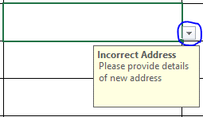 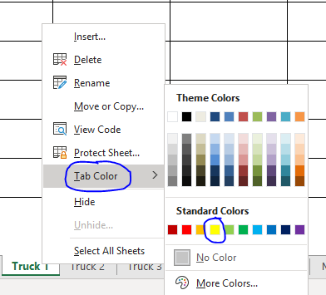 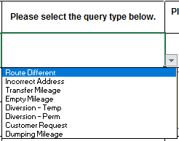 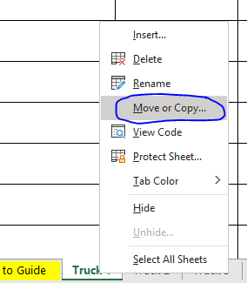 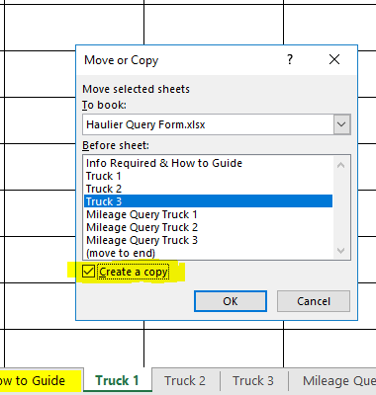 Please complete all the boxes on the query form and input only one query per line. Any boxes that aren't completed will result in a delay in resolving your queries or having your query form returned to you without completion. When sending in copy tickets, please scan all tickets in the same order as the queries as this will enable us to complete them in a timely efficient manner. If you are sending in copy tickets as requested by us, please ensure that you attach the completed query form we sent to you as this will let us to know which queries these relate to. Please indicate the type of material you are querying i.e Aggs & Asphalt, Concrete or Cement. This can be done by using the drop down box on the query tabs/pages. Queries tab: Please only provide the barcode number for hand written tickets where there is no delivery number. Any tickets that have the waiting time/day work written in ink will be rejected. Mileage Query tab: Column L - Please select an option using the drop down box as pictured. When using the drop down box you will be able to select one of the options listed which relates to your query. If your mileage query is for 'Route Different' please advise the route taken and why you chose to take this route. To add more lines onto the query page complete the following steps: - Highlight the bottom line from column B to R (or V on the mileage tab) - Click the small green square in the bottom right hand corner of the selected line and drag downwards Please see the pictures below for a visual of the steps to follow. If you need to create more tabs at the bottom you can do this by the following: - Right click the selected tab. - Select 'Move or Copy'. - This will open another window. Select the relevant page you would like to copy and tick the 'Create a copy box'. - This will then add another tab at the bottom of the page. Please see the pictures on the right hand side for a visual of the steps to follow. Once you have filled in all the boxes it would re
Waiting at plant | Ticket number & Times
Missing load | Copy ticket
Hand Written Ticket | Must provide copy ticket
Wrong haulier | Green copy ticket
Return Load | Copy ticket with PDI number ***Plant will need to raise the PDI for you***
Nightwork | Copy ticket.
Bretts & Stema tickets | Always include copy tickets.

Please ensure the writing is legible on tickets otherwise these will be rejected.

When the query form is completed, please attach this excel sheet to an email rather than sending hand written query forms/scanning PDF's as these are more time consuming. To return the query form to us click on the email address in row six and this will automatically create a new email addressed to us at Haulier.query@hanson.biz

For access to the Hanson Portal to view self-bills ect… Follow this link - https://my.hanson.co.uk/Login

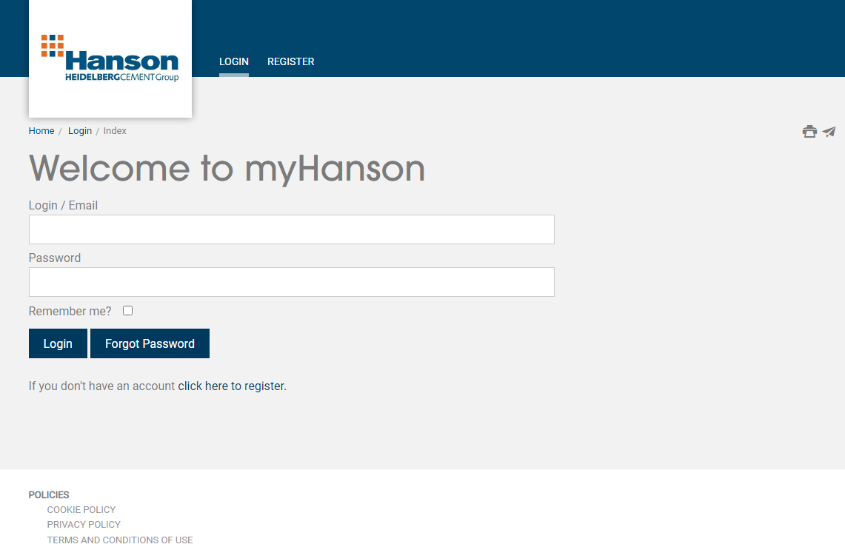

Please do not resend queries as this will increase the amount of queries we receive and cause a backlog. If you would like an update you can call us on 03301230310.

